Instructions
Automated FAFP Quick Start Guide

This spreadsheet uses formulas and conditional formatting to minimize the effort required to generate a First Article Flow Plan and the associated Transition Project Metrics

The keys steps to generating a FAFP are as follows:

1 | Populate the header with details regarding the transition
2 | Add the transition part details to the spreadsheet….
3 | Input Plan dates to each manufacturing step (these are the original plan dates and are not to be modified)
4 | Input Revised Plan date only if a deviation from the original plan date is needed
5 | Input Actual date when manufacturing step was completed
6 | Including the required On-Dock Date

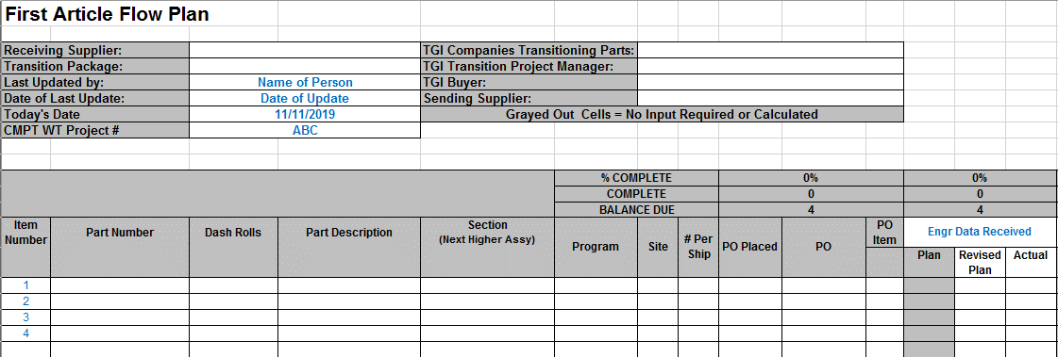

1
1

2
3
4
5

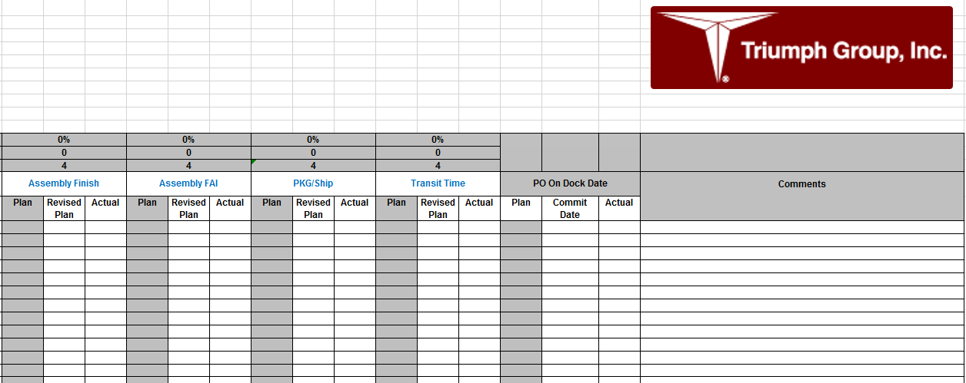
Unhide columns to add up to 15 key manufacturing steps

6

Both the plan dates and actual dates are conditionally formatted as follows:

 | Plan dates that greater than 2 weeks in the future are filled green
 | Plan dates that are withing 2 weeks of the due date are filled yellow
 | Plan dates that are older than today's date are filled red
 | Actual dates that are not older than the plan date are filled green
 | Actual dates that are less than 5 days late to the plan date are filled yellow
 | Actual dates that greater than 5 days late to the plan date are filled red

The data on the Stop Light report is populated using data from the FAFP with the following exceptions:

1 | Day and time of the transition team meetings
2 | Date and status update
3 | Production assessment (if applicable)
4 | Overall transition and production line status (see definitions below)

1

2

3
4

Overall Transition Status - Covers the status of the overall transition.
 | Green - things going according to plan
 | Yellow - There is potential risk to plan
 | Red - Project is behind schedule or at risk
Transition manager will rate the overall project accordingly.

Production Line Status – Indicates whether or not the production requirements to the customer are being met or missed.
 | Green - production requirements are being met
 | Yellow - potential risk in not supporting production requirements
 | Red - Missed production line schedules

See the Transition Playbook for detailed step-by-step instructions and definitions.

Templates are provided to help generate the FAI and Tooling Transfer graphs.

The process is the same for both graphs. You can generate a graph in three steps:
1 | Entering the earliest and latest estimated completion/deliveries.
 | The spreadsheet will auto-scale the graph into 20 periods.
2 | Enter the baseline estimate for completion of the FAIs/Tool Transfers
3 | Enter the actual completed FAIs/Tool Transfers

 | Data needs to be entered as a cummulative total ramping up from 0 to the total

1

2

3

The 'Transition Team RACI' template the the 'Data Transmittal Checklist' template are included in this file
to allow Transition Project Managers to house all pertinent documents in a single file.

Stop Light Report
2022-08-22 |  |  |  |  | Issues & Status |  |  |  |  |  | Package
 |  |  |  |  |  |  |  |  |  |  | 0
Transition Project Manager
TGI Company Buyer |  |  |  |  |  |  |  |  |  |  | Part Count
Receiving Supplier |  |  |  |  |  |  |  |  |  |  | 20
Issue PO |  |  | 0% |  | Planning |  | 0%
Engr Data Received |  |  | 0% |  | Machine Start/Rough |  | 0%
Material Ordered |  |  | 0% |  | Machine Finish |  | 0% |  |  |  | Weekly Team Meetings
NC Program |  |  | 0% |  | Inspect |  | 0% |  |  |  | TBD

Date |  | Status Updates (Blue Text < 1 Week Old)
 |  |  |  |  |  |  |  |  |  |  | Sending Company
 |  |  |  |  |  |  |  |  |  |  | 0

 |  |  |  |  |  |  |  |  |  |  | Receiving Company

Transfer Initiated
Planning/ Programming
Processing and Assembly
FAI Submittal
FAI Delivery
Production
Overall Transition Status
Production Line Status
 | 0% |  | 0% | 0% |  | 0% |  | 0% |  | TBD

Transition
 |  |  |  |  |  |  |  |  |  |  |  | Going as planned
 |  | Complete |  |  | In Progress |  |  |  | Not Started |  |  | Risk to plan
 |  |  |  |  |  |  |  |  |  |  |  | Behind plan

Overall Performance
AutoScale Graph | 1 | 2 | 3 | 4 | 5 | 6 | 7 | 8 | 9 | 10 | 11 | 12 | 13 | 14 | 15 | 16 | 17 | 18 | 19 | 20 | 21 | 22 | 23 | 24 | 25 | 26 | 27
Graph Date Range | 6/28/19 | 7/5/19 | 7/12/19 | 7/19/19 | 7/26/19 | 8/2/19 | 8/9/19 | 8/16/19 | 8/23/19 | 8/30/19 | 9/6/19 | 9/13/19 | 9/20/19 | 9/27/19 | 10/4/19 | 10/11/19 | 10/18/19 | 10/25/19 | 11/1/19 | 11/8/19 | 11/15/19 | 11/22/19 | 11/29/19 | 12/6/19 | 12/13/19 | 12/20/19 | 12/27/19
Baseline FAI Schedule | 0 | 0 | 0 | 0 | 0 | 0 | 0 | 0 | 0 | 0 | 0 | 0 | 0 | 0 | 0 | 0 | 0 | 0 | 0 | 0 | 0 | 0 | 0 | 0 | 0 | 0 | 0
Actual FAIs Completed | 0 | 0 | 0 | 0 | 0 | 0 | 0 | 0 | 0 | 0 | 0 | 0 | 0 | 0 | 0 | 0 | 0 | 0 | 0 | 0 | 0 | 0 | 0 | 0 | 0 | 0 | 0

Overall Performance

FAI Curve
AutoScale Graph | 1 | 2 | 3 | 4 | 5 | 6 | 7 | 8 | 9 | 10 | 11 | 12 | 13 | 14 | 15
Graph Date Range | 6/1/18 | 6/8/18 | 6/15/18 | 6/22/18 | 6/29/18 | 7/6/18 | 7/13/18 | 7/20/18 | 7/27/18 | 8/3/18 | 8/10/18 | 8/17/18 | 8/24/18 | 8/31/18 | 9/7/18
Baseline FAI Schedule | 0 | 0 | 0 | 0 | 0 | 0 | 0 | 0 | 0 | 0 | 0 | 0 | 0 | 0 | 0
Actual FAIs Completed | 0 | 0 | 0 | 0 | 0 | 0 | 0 | 0 | 0 | 0 | 0 | 0 | 0 | 0 | 0

First Article Inspection Plan vs Actuals

Tool Transfer Curve
20-Point AutoScale Graph | 1 | 2 | 3 | 4 | 5 | 6 | 7 | 8 | 9 | 10 | 11 | 12 | 13 | 14 | 15 | 16 | 17 | 18 | 19 | 20
Graph Date Range | 5/19/14 | 5/26/14 | 6/2/14 | 6/9/14 | 6/16/14 | 6/23/14 | 6/30/14 | 7/7/14 | 7/14/14 | 7/21/14 | 7/28/14 | 8/4/14 | 8/11/14 | 8/18/14 | 8/25/14 | 9/1/14 | 9/8/14 | 9/15/14 | 9/22/14 | 9/30/14
Baseline Tools Transfer Plan | 1 | 1 | 1 | 1 | 1 | 2 | 2 | 2 | 2 | 2 | 3 | 3 | 3 | 3 | 3 | 3 | 5 | 7 | 9 | 10
Actual Qty of Tools Transferred | 1 | 1 | 1 | 1 | 1 | 1 | 1 | 2 | 2 | 2 | 2 | 2 | 3 | 3 | 3 | 3 | 4 | 5 | 7 | 10

Tool Transfer Plan vs Actuals

